Step 1
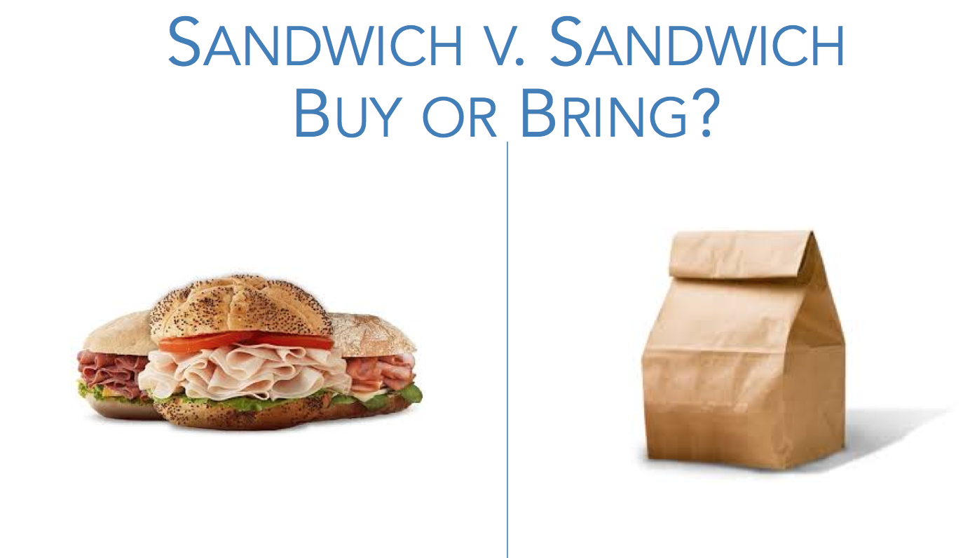
Quantitative Reasoning Process |  | Step 1: Understand the Problem
 | You need to eat lunch every day at work. Should you bring a sack lunch or purchase a sandwich from the cafeteria? This activity gives you the opporutnity to walk through each step of the Quantitative Reasoning Process in order to answer this question. Start by answering the questions on the right to complete Step 1 of the Quantitative Reasoning Process. Then click on each tab at the bottom of this Excel file to complete the other steps of the Quantitative Reasoning Process.
 |  |  | Buy or Bring? Which way will cost less? What do you think? Why?

- Save time (you don't need to cook or wash the dishes)
- Food made at the moment
 |  |  | Reasons for buying | Reasons for bringing
- Healthier food
- Varied food (you can cook what you want and you are not restricted to the menu of the day)
- More portions

Step 2
Quantitative Reasoning Process | Step 2: Identify Variables & Assumptions
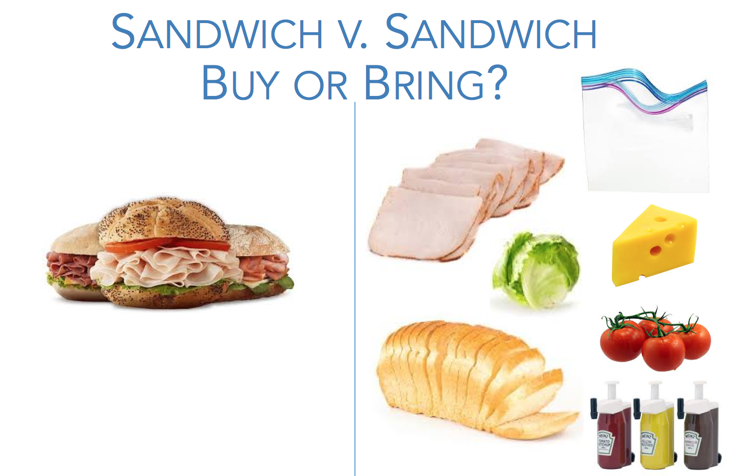
 |  | Using words a child can understand, explain what a key variable is.
It is something that is very important and necessary to solve our problem that can change or vary over time.

 |  | Again, using words a child can understand, explain what a key assumption is and how they are used in solving math problems.
An assumption is something that we accept as true or as a certain. Is very important in solving math problems because it will guide my final decision. It depends on whether my assumptions were correct or not if my final answer is right or wrong.

 |  | What are the key variables for solving this problem?
My income
Cafeteria menu prices
Price of ingredients and things I need to cook
Time
Taxes rate

 |  | What are the key assumptions for solving this problem?
Prices will stay the same
My income will be at least the same (I won't loose my job)
The cafeteria will not close
Taxes rate will stay the same

Step 3
Quantitative Reasoning Process | Step 3: Apply Quantitative Tools

 |  | In this step use Excel to mathematically compare the cost of bringing a sandwich for lunch versus buying a sandwich for lunch. (For the bringing column a 6.5% tax rate has already been applied.) Set up the problem so that you can compare costs on an apples-to-apples (one-to-one) basis.
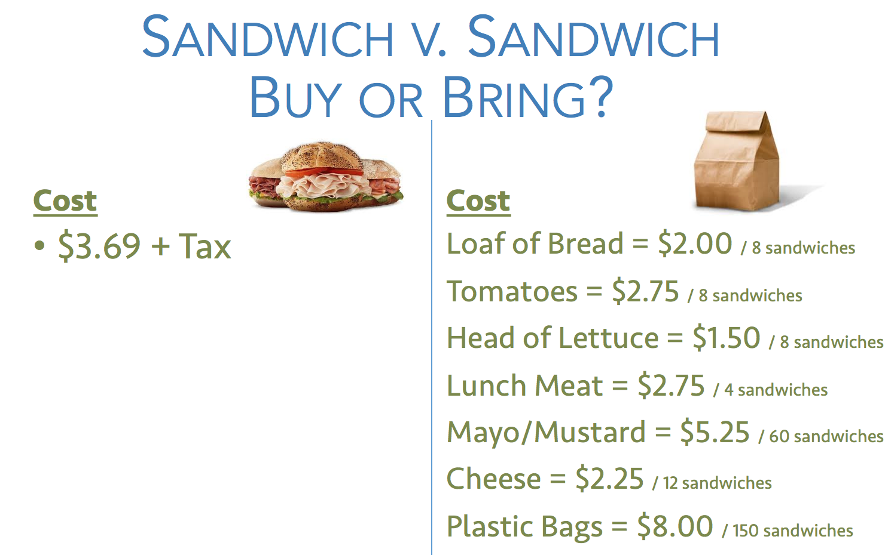

 |  | Questions about how to do basic calculations with Excel? Click below!

 |  | https://youtu.be/5HHSyKEJd2c

 |  | Cost to Buy |  | Cost to Bring
 |  | Item | $ Amount | Item | $ Amount
 |  | Sandwich | 3.69 | Bread | 0.25
 |  |  |  | Tomatoes | 0.34375
 |  |  |  | Lettuce | 0.1875
 |  |  |  | Meat | 0.6875
 |  |  |  | Mayo/Mustard | 0.0875
 |  |  |  | Cheese | 0.1875
 |  |  |  | Plastic Bag | 0.053333333333

 |  | Total | 3.69 | Total | 1.7970833333

Step 4
Quantitative Reasoning Process |  | Step 4: Make Informed Decisions

 | Buy or Bring? Which way will cost less?
Bring will cost less

Step 5
Quantitative Reasoning Process | Step 5: Evaluate Your Reasoning

-Taxes stay the same. Maybe if that 6.5% is less, buy would be a cheaper option.
-Prices of ingridients stay the same. It's normal for prices to increase over time, so the bring option could cost more (but well, probably the buying sandwich would cost more too..) But would be interesting if prices increse and taxes go down a lot
What are some assumptions you made in Step 2 that could end up being wrong and why?

Would you buy or bring a sandwich?
I would bring a sandwich because is cheaper and I can make 2 sandwiches for the same price.

